Significant risks
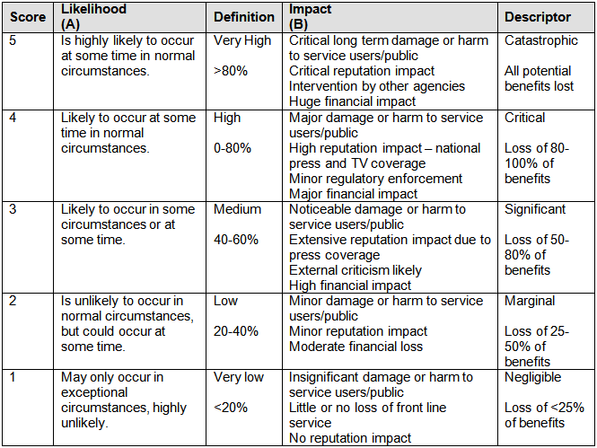
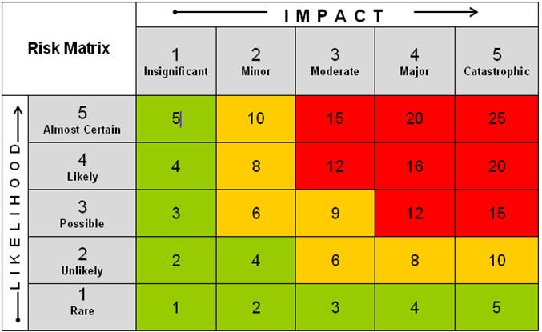
 | Headline Risk | Description of Risk | Likelihood | Impact | Inherent Risk Factor | Identify Exisiting Controls and Effectiveness of Mitigation | Likelihood | Impact | Residual Risk Factor | Risk Owner
1 | Example: Personal Behaviour - Registrants violate boundaries | Registrants fail to establish appropriate boundaries with services users, i.e. do not explain professional relationship to service users and violate boundaries, e.g. emotional, sexual, etc. Registrants abuse their position of power. Disclaimer: The purpose of this generic example is to give applicants an idea of how to complete this matrix. It would not necessarily be described as it is done here. The existing controls and mitigation actions are some of the possible controls and actions we would expect to see in place but not all of them are listed here. For example, for this specific risk, safeguarding issues would have to be considered and actions put in place. The inherent and residual risk factor are not a real assessment - they were included here to demonstrate how to calculate the factor. | 3 | 5 | 15 | Existing Controls: Adherence to Ethical Framework and Code of Practice. Mandatory CPD and supervision audited by Professional Standards Authority at annual renewal of registration. Training provided by organisation. Leaflets and other information material available to registrants. Professional Conduct Procedure in place. Case facts and sanctions published on website to promote learning amongst registrants. Effectiveness of Mitigation: annual review of conduct cases suggests reduction of complaints against registrants in relation to boundary violations. | 2 | 5 | 10 | Board
2 | Example: Technical Competence - Lack of effectiveness | Registrants do not have the skills to practice so service provided does not have expected effect/outcome. Registrants cannot identify underlying issues and do not refer service user to appropriate qualified professional. Disclaimer: The purpose of this generic example is to give applicants an idea of how to complete this matrix. It would not necessarily be described as it is done here. | 4 | 5 | 20 | Existing control: Education and training equips registrant with skills to practice. Mandatory CPD requirements assist registrants to keep their skills up to date. Mandatory supervision identifies potential skill gaps and recommends appropriate training. Registrants sign up to Code of Practice/Ethical Framework that require them to practise within their competence and refer service users to other professionals if required. Organisation provides guidance on underlying health/social issues, for example, offers a protocol/checklist to registrants with common issues and symptoms. Effectiveness of mitigation: reduced number of complaints alleging lack of therapeutical effectiveness; feedback from supervisors; organisation monitors use of protocol/checklist by registrants and ascertains that 90% of registrants use the protocol; research demonstrates issue/risk is managed appropriately; organisation offers CPD on effectiveness and underlying issues undertaken by 70% of registrants. | 2 | 5 | 10 | Board
3 |  |  |  |  | 0 |  |  |  | 0
4 |  |  |  |  | 0 |  |  |  | 0
5 |  |  |  |  | 0 |  |  |  | 0
6 |  |  |  |  | 0 |  |  |  | 0
7 |  |  |  |  | 0 |  |  |  | 0
8 |  |  |  |  | 0 |  |  |  | 0
9 |  |  |  |  | 0 |  |  |  | 0
10 |  |  |  |  | 0 |  |  |  | 0
11 |  |  |  |  | 0 |  |  |  | 0
12 |  |  |  |  | 0 |  |  |  | 0
13 |  |  |  |  | 0 |  |  |  | 0
14 |  |  |  |  | 0 |  |  |  | 0
15 |  |  |  |  | 0 |  |  |  | 0

